Cases
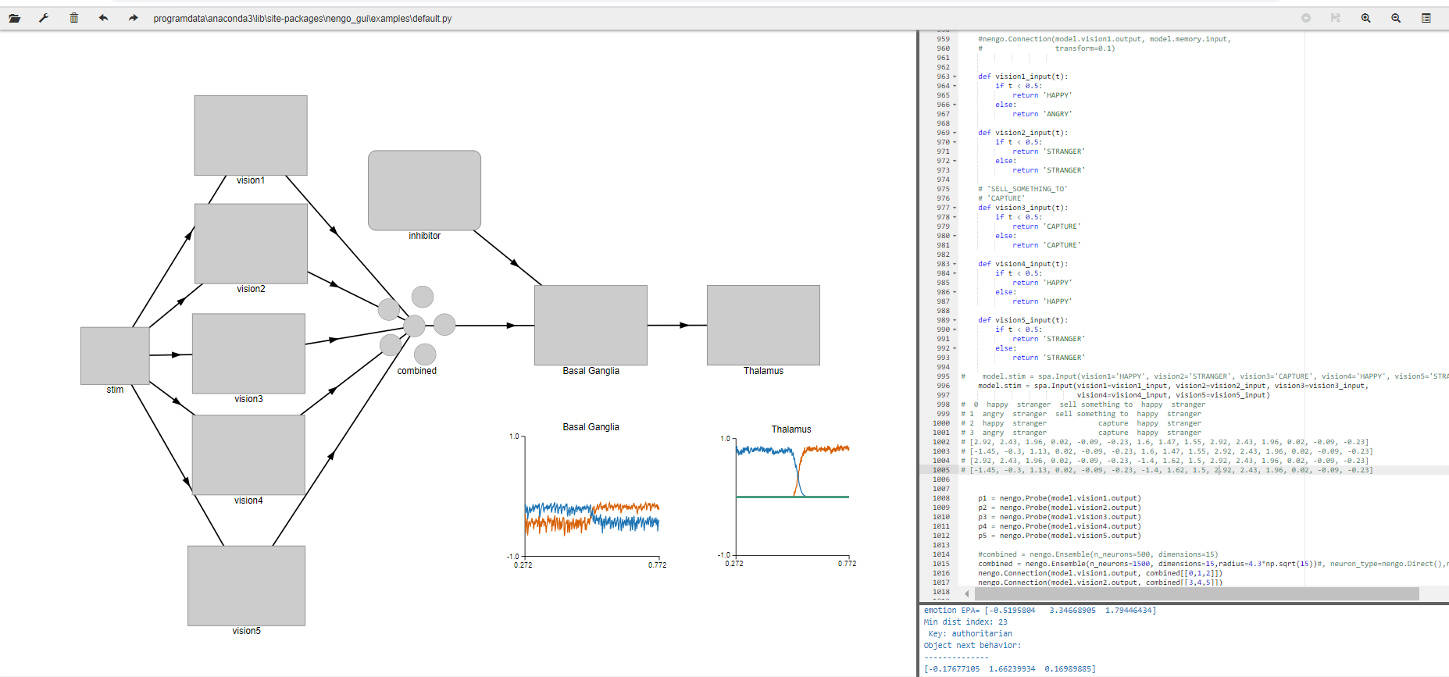

Give Cases
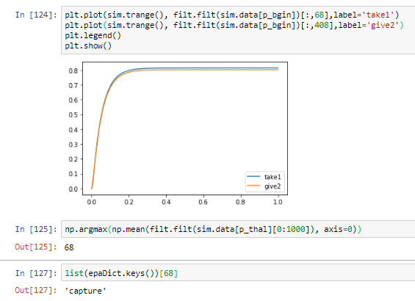
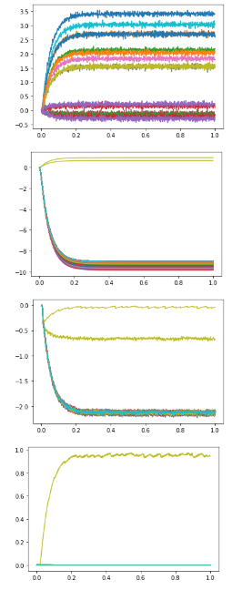
give |  |  |  |  | transition
t < 0.5 : happy stranger sell something to happy stranger |  |  |  |  | t < 0.5 : happy stranger sell something to happy stranger
t >= 0.5 : happy stranger sell something to happy stranger |  |  |  | HSGHS = [0.82399679, 0.66213742, 0.19954343] | t >= 0.5 : angry stranger sell something to happy stranger
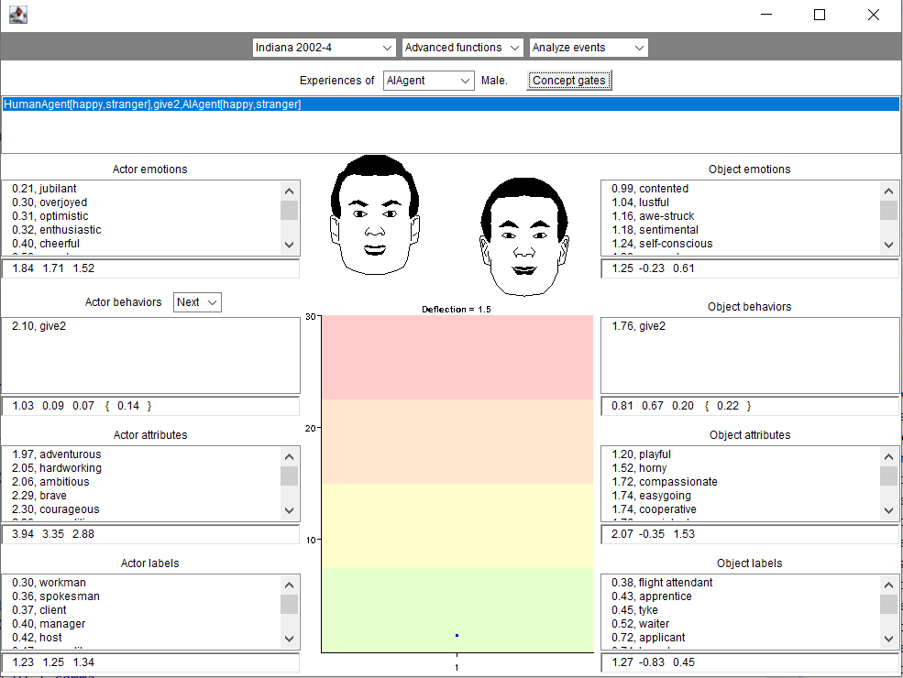
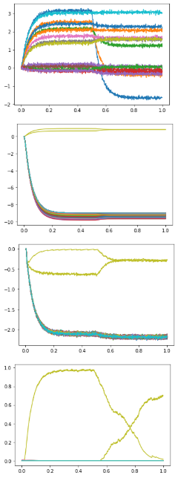
 |  |  |  | ASGHS = [0.06602865, 0.97940046, 0.06056424]
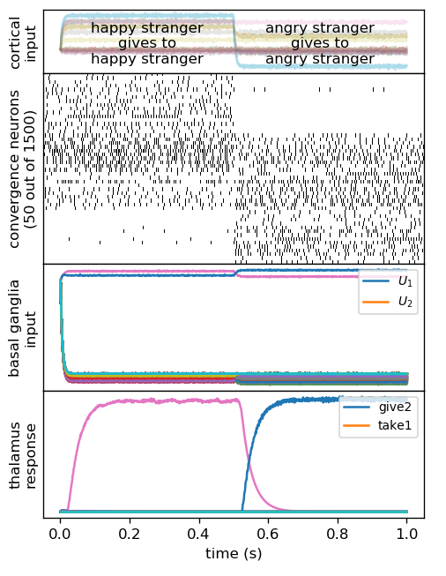
 | HSGHS
 | opt behavior | [0.82399679, 0.66213742, 0.19954343]
 | dist from give and take below
 | give | 1.7545813967 | 408
 | take | 2.7486086907 | 68

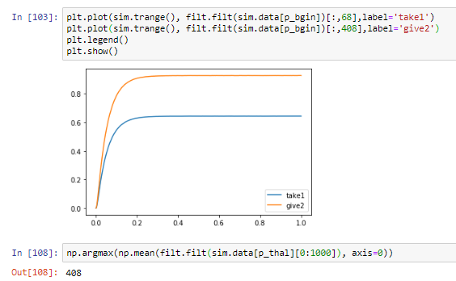

 |  |  |  |  |  | give -> take
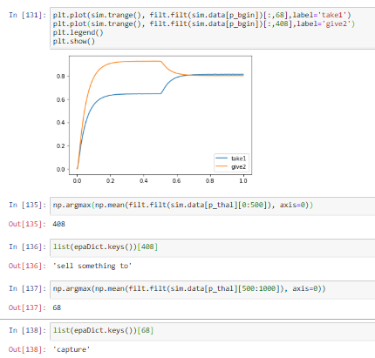

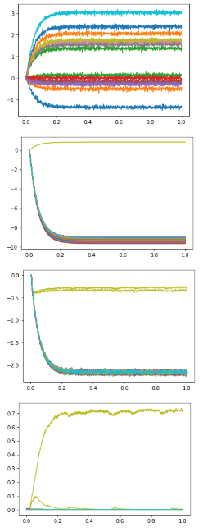
 | ASGHS
t < 0.5 : angry stranger sell something to happy stranger | opt behavior | [0.06602865, 0.97940046, 0.06056424]
t >= 0.5 : angry stranger sell something to happy stranger | dist from give and take below
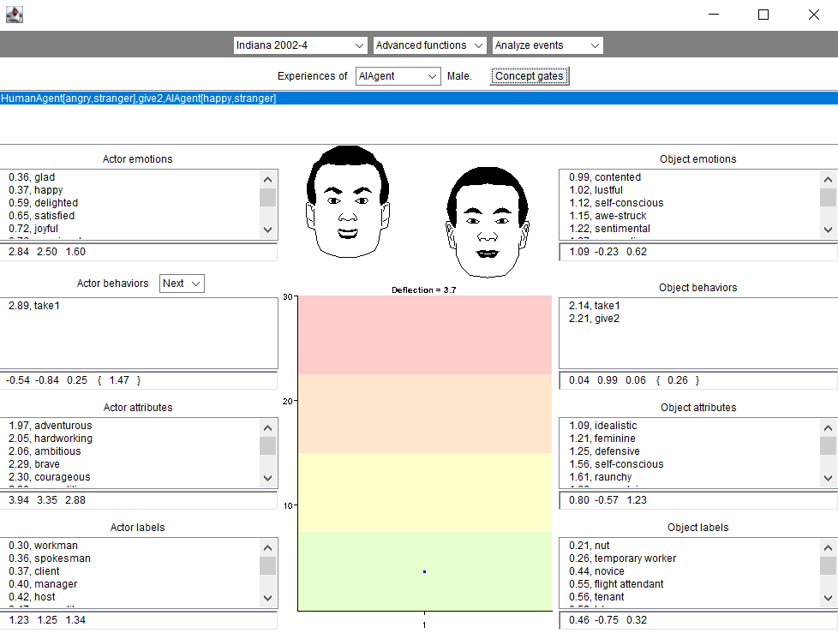
 | give | 2.1936669972 | 408
 | take | 2.1521113076 | 68

Take cases
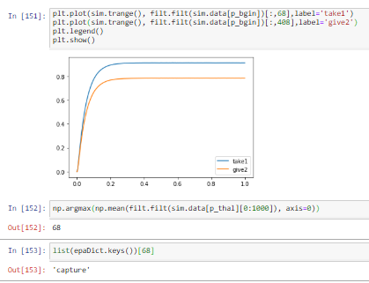
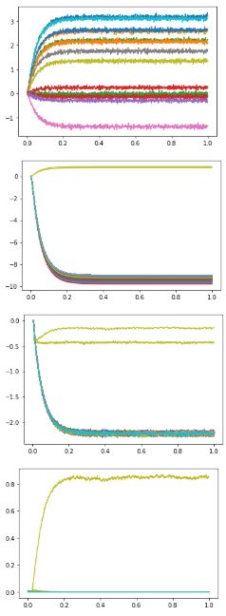
take |  |  |  |  | transition
t < 0.5 : happy stranger take1 happy stranger |  |  |  |  | t < 0.5 : happy stranger take1 happy stranger
t >= 0.5 : happy stranger take1 happy stranger |  |  |  |  | t >= 0.5 : angry stranger take1 happy stranger
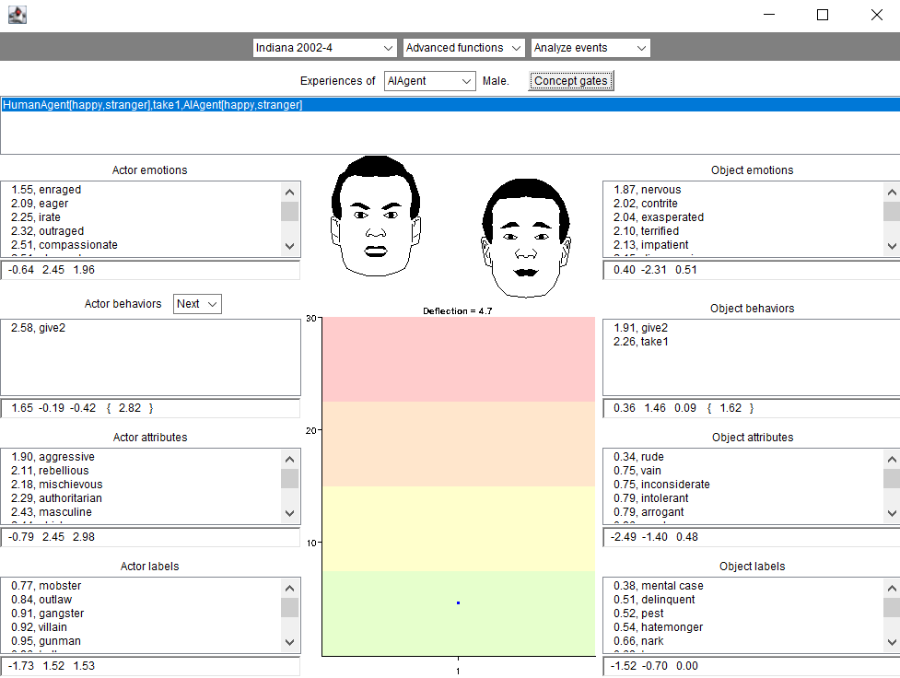
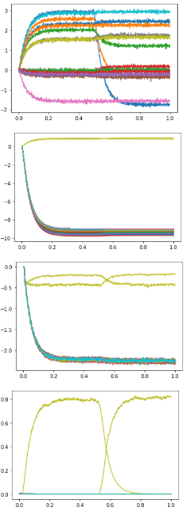
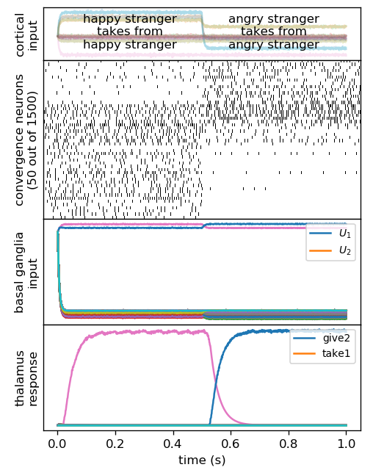
 |  |  |  | HSTHS = [0.38934866, 1.44826028, 0.09001935]
 |  |  |  | ASTHS = [-0.17677105, 1.66239934, 0.16989885]
 | HSTHS
 | opt behavior | [0.38934866, 1.44826028, 0.09001935]
 | dist from give and take below
 | give | 1.896758493 | 408
 | take | 2.2845806162 | 68
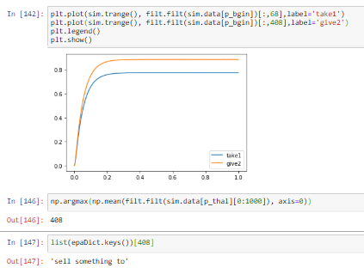

 |  |  |  |  |  | give -> take

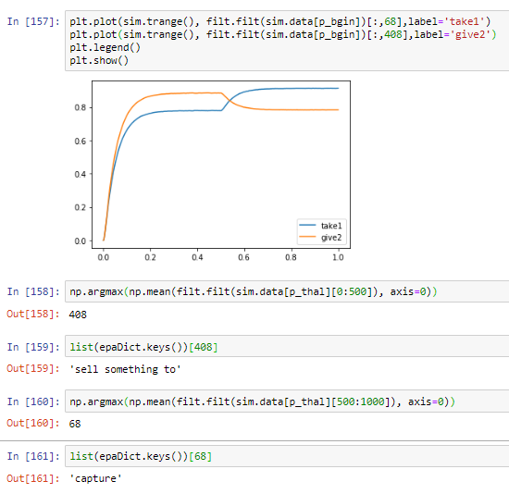

t < 0.5 : angry stranger take1 happy stranger
t >= 0.5 : angry stranger take1 happy stranger
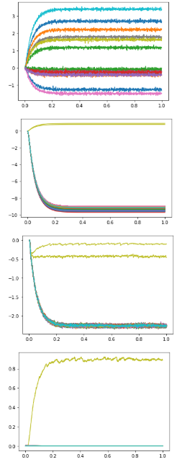
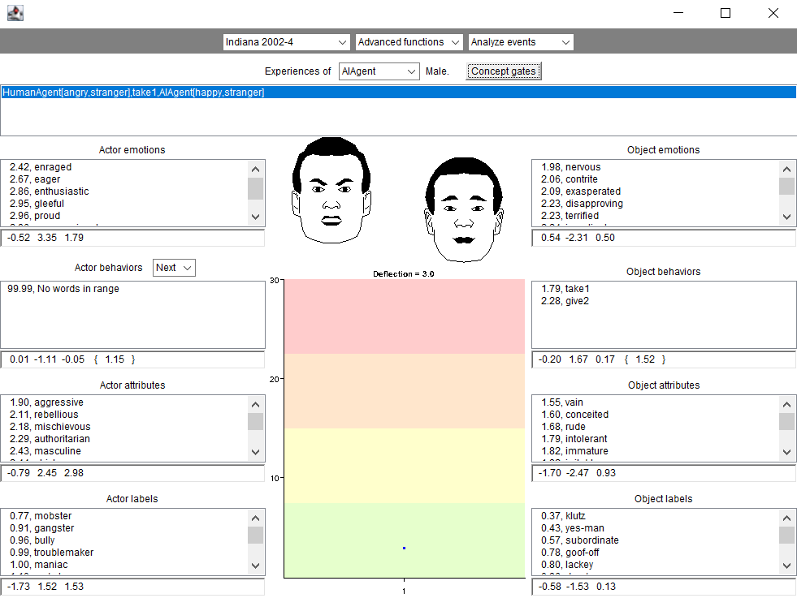

 | HSGHS
 | opt behavior | [-0.17677105 1.66239934 0.16989885]
 | dist from give and take below
 | give | 2.2580106409 | 408
 | take | 1.8075552101 | 68

EPAGiveTake
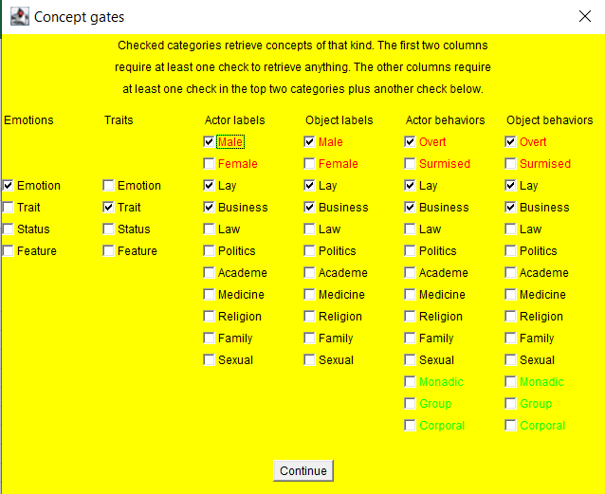
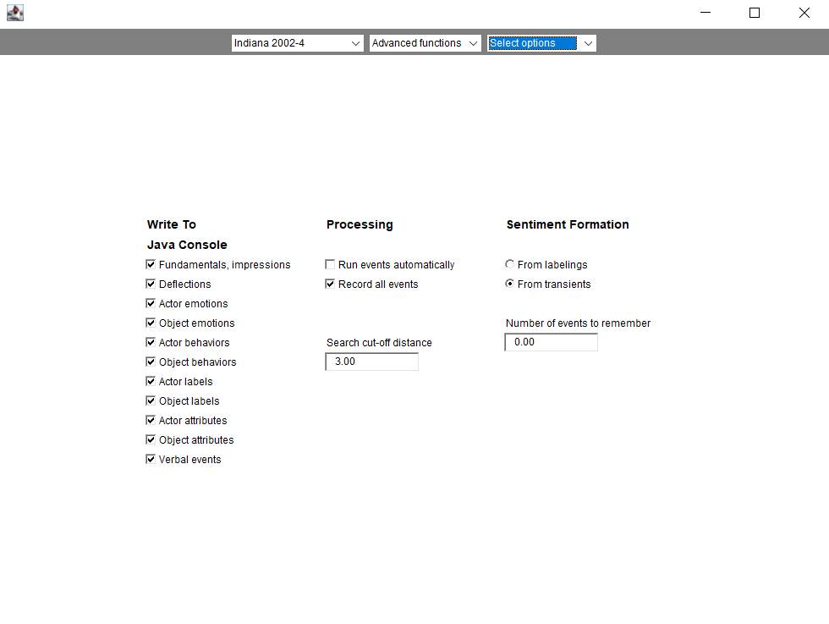
 | give2
 | 1.4 | 0.1 | 0.2 | (initial) | CCAI Table 2 Jthesis Table 3.4
 | 1.3 | -0.3 | -0.1 | jerkbot
 | 1.3 | 0.1 | 0 | bayesact
 | 1.7 | 0.7 | 0.3 | human
 | 2.3 | 1.2 | 1.1 | tft
 | 1.6 | 0.36 | 0.3
dict choice | 2.1 | 1.5 | 0.8 | SocioAffect
initial | 1.4 | 0.1 | 0.2 | SocioAffect
 | 1.6 | 1.47 | 1.55 | ours | sell something to
 | 2.1 | 1.45 | 0.82 | J Thesis
 | 1.42 | 0.1 | 0.18 | J Thesis

 | take1
 | -0.6 | 0.9 | 0.6 | (initial) | CCAI Table 2 Jthesis Table 3.4
 | -1.3 | 0.8 | 0.7 | jerkbot
 | -0.9 | 1.1 | 1 | bayesact
 | -1.2 | 0.4 | 0.3 | human
 | -1.2 | 0.5 | 0.3 | tft
 | -1.04 | 0.74 | 0.58
dict choice | -2.3 | -0.5 | -0.8 | SocioAffect
initial | -0.7 | 0.9 | 0.7 | SocioAffect
 | -1.4 | 1.62 | 1.5 | ours | capture
 | -2.28 | -0.48 | -0.84 | J Thesis
 | -0.65 | 0.85 | 0.7 | J Thesis

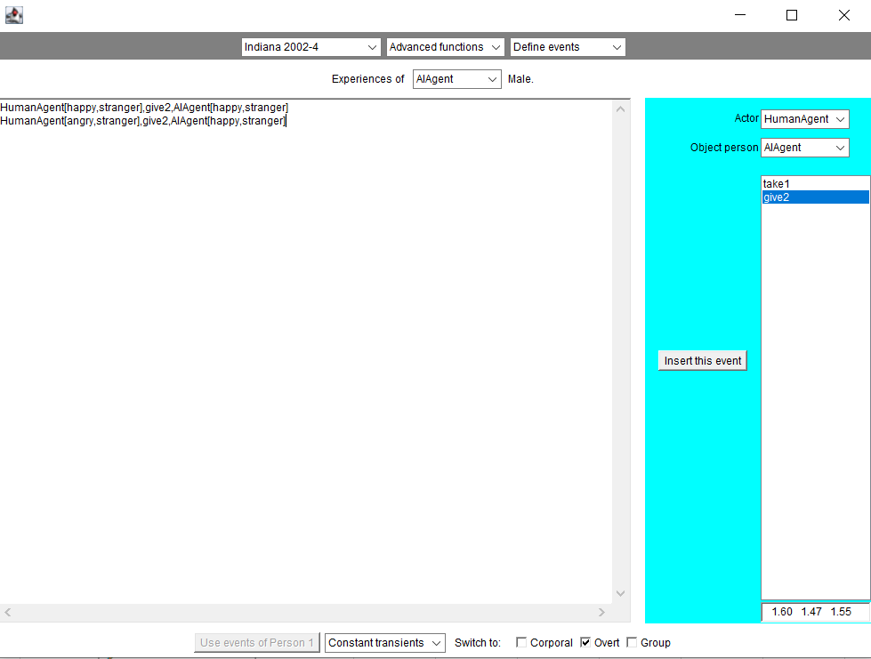
 | 5.0911688245
 | 2.3021728866
 | 3.0041637772
 | 5.066053691
 | 2.2622555117

